Intro
Seattle Business Waste Assessment
Introduction
Garbage | 17%
Recyclable | 35%
Compostable | 25%
What can your dumpster do for you?
Find out today! You may be able to reduce waste and increase recycling at your business, helping you to:

Save money
Contribute to a healthy community and environment
Keep valuable resources out of landfills
Appeal to environmentally-friendly customers
Comply with regulations
This DIY Waste Assessment Tool is intended to help your business more easily understand your waste reduction and recycling opportunities.

Follow these 4 simple steps:

 | 1. PLAN AHEAD | 2. GATHER DATA | 3. ANALYZE RESULTS
 | Supplies and information you'll need to conduct a waste assessment | Observations about your current trash and recycling activities | Report summarizing recycling potential and environmental benefits

 | 4. THEN…TAKE ACTION!
Plan Ahead
➲

This Assessment Tool was developed for Seattle Public Utilities Green Business Program in 2012 by Cascadia Consulting Group.

1.PlanAhead
Seattle Business Waste Assessment
1. Plan Ahead

 | A. Before you dive in…
 | Make sure you have all the information and supplies you need to make this waste assessment worth it.
 | Designate one or a few staff members to conduct the assessment.
 | Determine current dumpster size, pickup frequency, and monthly cost for garbage and recycling services.
 | Gather all necessary supplies for conducting a waste assessment (see checklist below in part C).
 | Schedule a date and time to carry out the waste assessment. Preferably right before the hauler pickup time.

 | B. Enter basic information
 | If you do not know this information, contact your property manager or waste hauler to obtain it
 | (See Get Started section of the 'Take Action' sheet, or go and look at your dumpsters.)
 | Instructions: Select the recycling materials you currently collect below. For example, you may collect cardboard, glass, or paper separate from other materials. If you collect all materials together, choose "Mixed Recycling."
 | For each recycling material, enter info in |  |  | yellow cells
 | If you have a compactor for your waste and/or recycling instead of a regular dumpster, select the Compactor? checkbox. Also note how Full your bins usually are, just before they are picked up.

 | Material Stream | Containers |  |  | # of containers | # pickups per week | Monthly cost | How full are bins at pickup?
 |  | Size | Units | Compactor? |  |  |  | 50% or less 75% Full Overflow
 | Trash |  | (select)
 | Recycle 1 (select) |  | (select)
 | Recycle 2 (select) |  | (select)
 | Compost (select) |  | (select)
 |  |  |  |  | Total Monthly Cost |  | $0.00

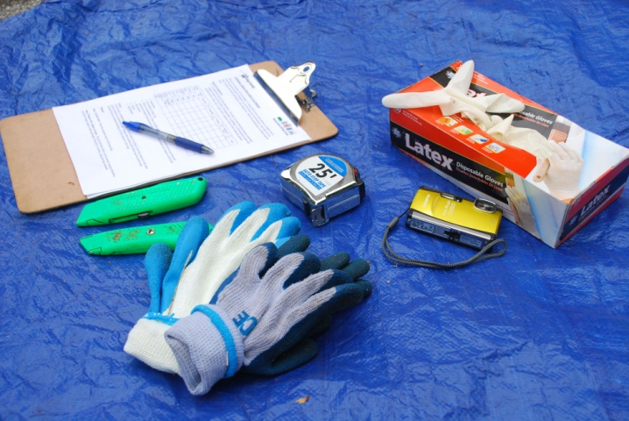
 | C. Obtain supplies
 | For this waste assessment, we recommend you observe samples taken directly from your trash, recycling, and compost dumpsters. This will require a few essential items:
 | SUPPLIES |  | DATA TOOLS
Gather Data
➲
 | ü puncture-proof gloves ü box cutter ü tape measure ü eye protection ü first aid kit ü camera |  | ü blank form (print Step 2.) ü clipboard ü pencil/pen ü calculator

This Assessment Tool was developed for Seattle Public Utilities Green Business Program in 2012 by Cascadia Consulting Group.

2.GatherData
Seattle Business Waste Assessment
2. Gather Data/Conduct Assessment

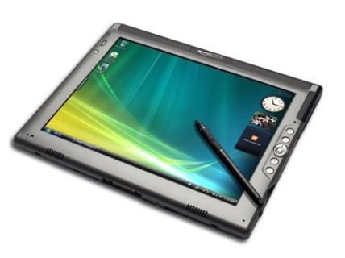
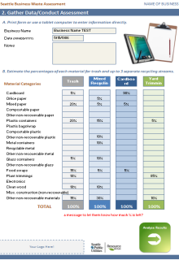
A. Print form or use a tablet computer to enter information directly.

 | Business Name

 | Date | MM/DD/YY

 | Notes

B. Estimate the percentages of each material found in your trash, recycling, and compost bins.

 | Material Categories |  | Trash |  | N/A |  | N/A |  | N/A

 | Cardboard
 | Office paper
 | Mixed paper
 | Compostable paper
 | Other non-recoverable paper
 | Plastic containers
 | Plastic bags/wrap
 | Compostable plastic
 | Other non-recoverable plastic
 | Metal containers
 | Recyclable metal
 | Other non-recoverable metal
 | Glass containers
 | Other non-recoverable glass
 | Food scraps
 | Plant trimmings
 | Electronics
 | Clean wood
 | Misc. construction (non-recoverable)
 | Other non-recoverable materials
 | TOTAL |  | 0% | 0 | 0% | 0 | 0% | 0 | 0%
Analyze Results
➲

This Assessment Tool was developed for Seattle Public Utilities Green Business Program in 2012 by Cascadia Consulting Group.

3.AnalyzeResults
Seattle Business Waste Assessment
Results for:
 | 0

 | Date of Assessment: | MM/DD/YY
 | Current Service Levels

 |  | Bin Size | Compacted? | # Bins | Pickups per week | Monthly cost | Current Recycling Rate:
 | Trash | (select) | N | 0 | 0 | $0 | 0%
 |  | (select) | N | 0 | 0 | $0
 |  | (select) | N | 0 | 0 | $0
 |  | (select) | N | 0 | 0 | $0
 |  |  |  |  | Total Monthly Cost | $0

 | Trash Bin Contents |  |  |  |  | Other bin contents
Trash, 0% | 0
Recyclables, 0% | 0
Compostables, 0% | 0
 | 0
 | 0
 | 0

 | 0
 | 0
 | 0

 | 0
 | 0
 | 0

 | Audit Notes

 | Recycling Potential

 | If you diverted all recyclables in your trash, you could: |  |  |  |  |  | Potential Recycling Rate:
 |  |  | reduce trash service by | 0 | cubic yards per week
 |  |  | divert | 0 | tons of recyclable material from the landfill annually |  | 0%

 |  |  | reduce greenhouse gas emissions by | 0 | mtCO2e per year

 | If you diverted all compostables in your trash, you could:
 |  |  | reduce trash service by | 0 | cubic yards per week
 |  |  | divert | 0 | tons of compostable material from the landfill annually

 |  |  | reduce greenhouse gas emissions by | 0 | mtCO2e per year

Take Action!
➲
 | Greenhouse gas and tonnage estimates are based on your waste assessment and environmental standards published by the EPA. See the 'Background Data' sheet for more information.

This Assessment Tool was developed for Seattle Public Utilities Green Business Program in 2012 by Cascadia Consulting Group.

